Warehousing Manager
Warehousing Manager's Dashboard
S.No. | KPI | Process | Graphic | Sample Visualisation | Impact on overall function | Remarks
1 | Carrying cost of Inventory | Carrying costs can be calculated by dividing total carrying costs by average inventory costs.Formula: Total carrying costs / Overall inventory costs | Pie Chart | 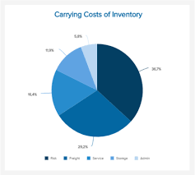 | Carrying cost of inventory is the total amount of money a business spends on owning, storing and holding inventory. So,lower its value ,higher the revenue of e-mandi. | • Type: Inventory indicator • We can compare month-to-month and year-over-year carrying cost of inventory. This would allow us to pinpoint the source of our increased cost and figure out the strategies which work the best to reduce these costs.
2 | Inventory Accuracy | Inventory accuracy relates to the company’s stock status. This KPI shows the difference between the number of items the company claims in electronic records and what is on the shelf for sale. The physical inventory count confirms the electronic file totals. The difference can be due to theft, breakage, fraud and loss.Formula: Inventory as tracked by system / Physically present inventory | Gauge Chart | 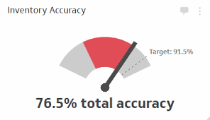 | The closer the number is to 1, the more accurate the company's inventory tracking is.So,higher the value, lower the loss and more profit for e-mandi | • Type: Inventory indicator • E- mandi can focus on increasing Inventory accuracy by having well organized and trained officials which can work on miscalculations of inventory and try to highligh the reasons for mis-match
3 | Shrinkage | This KPI will show the value of inventory that is missing from warehouse.Formula: (Cost of recorded inventory – Cost of physically present inventory) / Cost of recorded inventory | Bar Graph | 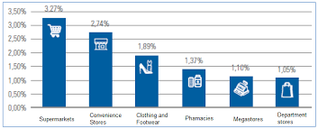 | A high rate of shrinkage can have a negative impact on company profits, and can lead to high loss | • Type: Inventory indicator • E-mandi should thoroughly investigate every case of shrinkage to get to the root of the problem and try to hire better management to avoid such issues
4 | Inventory Turnover | The inventory turnover KPI quantifies how many times per year the company's distribution is able to go through its entire inventory. Compare this rate against industry averages to get a clear picture of company's distribution center performance.Formula:(Cost of Goods Sold) / (Average Inventory) = Inventory Turnover | Line chart | 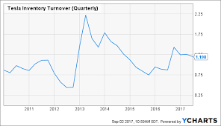 | Inventory turnover is the frequency at which e-mandi's inventory is being sold. A higher value indicates stronger sales and a lower value indicates weaker sales which will have direct impact on the revenue of the company | • Type: Inventory indicator • E-mandi should ensure that Warehouse management system is designed to provide visibility and enable forecasting to keep goods moving.
5 | Inventory to Sales Ratio | The inventory to sales ratio is calculated by dividing your remaining inventory at the end of the month by the sales you made for the same month.Formula: EOM inventory balance / Sales for the month | Histogram | 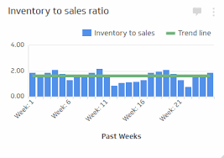 | The inventory to sales KPI gives us the ratio of our remaining inventory at the end of the month to the sales we made during the same month. This value is very beneficial to anyone managing a warehouse. Since lower ratio indicates excellent performance for the business | •Type: Inventory indicator •SInce the inventory-to-sales ratio is affected by economic conditions and a company’s ability to weather unanticipated disruption. This ratio helps warehouse managers identify early cash flow problems by holding increasing inventory levels up against declining sales rates. It can also prevent back orders by highlighting an influx in sales and the potential for an increase in buying in order to satisfy a spike in demand. So e-mandi to make sure that there should be proper coordination between the sales team and the warehouse management in order to make profits.
6 | Accuracy Rate | This rate is calculated by dividing the amount of inventory that has been put away correctly by the total amount of inventory that has been put away.Formula: Inventory put away correctly / Total inventory put away | Flow Charts | 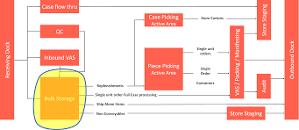 | The higher is our warehouse’s accuracy rate, the more efficient our put away process, with the ultimate goal of a 100% put away rate. | •Type: Put away indicator(ie the process of storing a shipment of products that have been delivered, ideally in the most convenient and appropriate location in our warehouse • E-mandi should focus on effective and efficient put away process which is one of the most critical components of good warehouse management because it has downstream effects on fill rates, which can lead to congestion in staging areas.
7 | Putaway Cost per line | It can be calculated by dividing the total cost of putaway by the number of line items.Formula: Total cost of putaway / Total line items | Bar Graph depicting the total cost of putaway and total items in line | 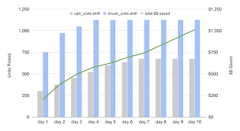 | The put away cost per line KPI is essentially the same thing as the receiving cost per line KPI, with the clear exception that it measures the cost to put away a line item on a purchase order. Again, the higher the put away cost per line, the less efficient a warehouse’s put away process is. | • Type: Put away indicator • E-mandi should make sure that it should have low put away cost per line since it measures the overall efficiency of put away process and it can be done by reducing the communication gap in warehouse and better training of employees to do their task.
8 | Putaway cycle time | Put away cycle time measures the total amount of time it takes to put away items. Formula:(Total Time for Put Away) / (Total Time) = Put Away Cycle Time | Line chart depicting the put away cycle time over the months and years | 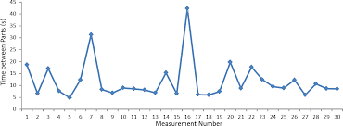 | A short put away cycle time is an indicator of an efficient process, whereas a long put away cycle time signifies that there’s room for improvement. | • Type: Put away indicator • E-mandi can mprove its put away cycle time by rearranging the warehouse or invest in better employee training which is quite similar to handle the putaway cost per line KPI since both of them helps in identification of the efficiency of process
9 | On Time Delivery(ODC) | OTD is a measure of customer order lines shipped on or before the requested delivery rate. In order to determine our company’s OTD, divide the total number of units delivered on time by the total number of units shipped.Formula:(Number of Units Delivered on Time ) / (Number of Units Shipped) = On-Time Delivery | Line chart depcting ODC for last few months | 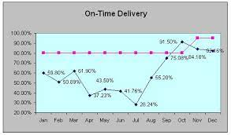 | This indicator tells us how efficient our shipping processes are. It’s important to maintain a high on-time shipping rate in order to prevent customer dissatisfaction and which will lead to more customer base and high sales and more profits. | • Type: Order Management indicator •Since, online channels must be able to deliver at increasingly rapid rates in order to remain competitive.E-mandi should make sure that it is able to deliver all its order within the stipulated time period mention on the website and provide the customer with best services so that they can stick to the company and would not consider to order anywhere else.
10 | Order Fill rate/Fulfillment Accuracy Rate | To calculate order fill rate, divide the number of customer orders shipped in full by the total number of orders placed and multiply by 100. Formula:(Number of Orders Shipped in Full) / (Number of Orders Placed ) × 100 = Order Fill Rate (%) | Line chart depicting order fill rate of both the actual(observed rate) and the expected rate | 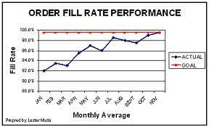 | This KPI calculates the number of orders that have been successfully fulfilled from start to finish, out of the total number of customer orders received. This includes orders that have been correctly delivered, on time and consisting of the right products. If this rate is low, then our order management process needs to be examined and revised. | • Type: Order Management indicator • E-mandi should make sure that there is a seamless visibility between WMS(Warehouse management system) and its storefront, inventory synchronization and the ability to optimally service customers from various distribution locations. And company should be aware of the seasonal sales of different products and try to mantain sufficient stocks in advance in order to have better fulfillment rates.
11 | Time Loss Due to Injury | Most large warehouses tend to use large equipment in their operations. While this equipment is helpful, it also has its risks. It’s best to keep an eye on KPIs related to accidents that take place in the warehouse to help prevent them in the future. Formula:(Lost Time in Hours Due to Accidents) / (Total Number of Hours Worked) = Time Lost Due to Injury | Bar graphs depicting time loss due to injury which can range from few weeks to months | 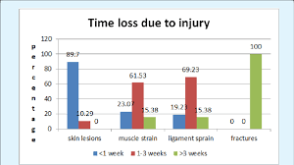 | It goes without saying that the safety of warehouse staff is a priority for non-business-related reasons, but the fact of the matter is that injuries sustained on the job can have a serious impact on workplace productivity and overall costs.So one should hope for less time loss due to injury since then it will lead to more working hours and less cost and more profits for the firm. | • Type: Safety indicator • E-mandi should make sure that any time an employee misses work due to injury, warehouse managers need to draw on supplementary resources and even offer other employees overtime to make up the difference. This metric is useful because it can help warehouse managers identify preventative measures they can take to ensure workplace safety in the future.

